Benchmarks
- for Establishments with 99 or less employees (Small Businesses)

Tracking CLIMBER Participation w/ Benchmarks |  |  |  |  |  | Data Entry:
Number of Loans as percent of total approved as of: 06/30/2023 |  |  |  |  |  | as of: |  | 2023-06-30
 |  |  |  |  |  | Number of Loans as percent of total. |  | 49
Minority Owned Businesses
 | Actual % of CLIMBER Loans to Minority Owned Businesses | % of SBA 7a Loans to Minority Owned Businesses | % of Minority Owned Businesses in Colorado | Historic Share of Bank and Credit Union Loans
1 |  | 21% | 18% | 12%
2 | 37% | 21% | 18% | 12%
3 |  | 21% | 18% | 12%
4
 |  |  |  |  |  | Minority Owned Businesses |  | 18
Benchmarks
 |  |  |  |  |  |  | 1 | 2 | 3 | 4
 |  |  |  |  |  | Actual % of CLIMBER Loans to Minority Owned Businesses |  | 37%
21%
SBA 7a Loans to Minority Owned Businesses in Colorado
 |  |  |  |  |  | % of SBA 7a Loans to Minority Owned Businesses | 21% | 21% | 21%
18%
 |  |  |  |  |  | % of Minority Owned Businesses in Colorado | 18% | 18% | 18%
Minority Owned Businesses in Colorado
 |  |  |  |  |  | Historic Share of Bank and Credit Union Loans | 12% | 12% | 12%

12%
est. Historic Share of Bank and Credit Union Loans to Minority Owned Businesses in Colorado

 |  |  |  |  |  |  |  | 2023-06-30
 |  |  |  |  |  | Number of Loans as percent of total. |  | 49
 |  |  |  |  |  | Women Owned Businesses |  | 12
Women Owned Businesses
 | Actual % of CLIMBER Loans to Women Owned Businesses | % of SBA 7a Loans to Women Owned Businesses | % of Women Owned Businesses in Colorado
1 |  | 35% | 39%
2 | 24% | 35% | 39%
3 |  | 35% | 39%
4
 |  |  |  |  |  |  | 1 | 2 | 3 | 4
 |  |  |  |  |  | Actual % of CLIMBER Loans to Women Owned Businesses |  | 24%
39%
Women Owned Businesses in Colorado
Benchmarks
 |  |  |  |  |  | % of SBA 7a Loans to Women Owned Businesses | 35% | 35% | 35%
 |  |  |  |  |  | % of Women Owned Businesses in Colorado | 39% | 39% | 39%
35%
SBA 7a Loans to Women Owned Businesses in Colorado

Veteran Owned Businesses
 | Actual % of CLIMBER Loans to Veteran Owned Businesses |  | % of Veteran Owned Businesses in Colorado
1 |  |  | 9%
2 | 6% |  | 9%
3 |  |  | 9%
4
9%
Veteran Owned Businesses in Colorado
 |  |  |  |  |  |  |  | 2023-06-30
 |  |  |  |  |  | Number of Loans as percent of total. |  | 49
 |  |  |  |  |  | Veteran Owned Businesses |  | 3
 |  |  |  |  |  |  | 1 | 2 | 3 | 4
 |  |  |  |  |  | Actual % of CLIMBER Loans to Veteran Owned Businesses |  | 6%

 |  |  |  |  |  | % of Veteran Owned Businesses in Colorado | 9% | 9% | 9%

Rural Owned Businesses
 | Actual % of CLIMBER Loans to Rural Owned Businesses |  | % of Rural Owned Businesses in Colorado
1 |  |  | 15%
2 | 18% |  | 15%
3 |  |  | 15%
4
 |  |  |  |  |  |  |  | 2023-06-30
 |  |  |  |  |  | Number of Loans as percent of total. |  | 49
 |  |  |  |  |  | Rural Owned Businesses |  | 9
 |  |  |  |  |  |  | 1 | 2 | 3 | 4
15%
Rural Businesses in Colorado
 |  |  |  |  |  | Actual % of CLIMBER Loans to Rural Owned Businesses |  | 18%

 |  |  |  |  |  | % of Rural Owned Businesses in Colorado | 15% | 15% | 15%

 | Estimation of Historic Market Share of Bank and Credit Union Loans Received by Minority Businesses
 |  | Percent in population* | Percent receiving loan from Banks/CU** | % of financing from Banks and Credit Unions*** | Bank's and Credit Union's market share in CO****
 | Minority businesses | 18% | 34% | 6% | 13%
 | Non-Minority businesses | 82% | 52% | 43% | 87%
 |  | 100% |  | 49% | 100%
 | * Percent in population is from the Census Annual Community Survey, 2018, 5-Yr Estimates as summarized in "Mapping Minority Businesses in Colorado", Page 6 - % of all states classifiable businesses
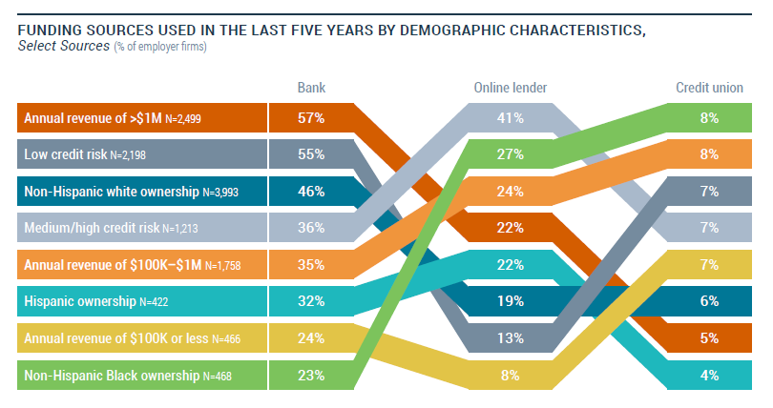
 | ** "Percent receiving loan from Banks/CU**" is from the lender data supplied by Federal Reserve 2020 Report on Employer Firms Small Business Credit Survey, p. 9, chart titled "Funding Sources Used in the Last Five Years by Demographic Characteristics". The "Minority businesses" figure is the combination of Hispanic ownership Bank 32% and Credit Union 4% (total 36%) averaged with Non-Hispanic Black ownership 23% and Credit Union 8% (total 31%), then rounded up as the Hispanic population is larger in CO than the Black population. Non-Minority businesses is the combination of "Non-Hispanic white ownership" from the chart for Bank 46% and Credit Union 6% (total 52%).
 | "% of financing from Banks and Credit Unions" is the multiplication of Percent in Population times the "Percent in population".
 | *** % of financing from Banks and Credit Unions. Amount from multiplying "Percent in population" by "Percent receiving loans from Banks/CU". Therefore, 49% of all businesses use Banks or Credit Unions as funding sources in the last 5 years.
 | **** Bank's and Credit Union's market share in CO. If 49% of the total population in CO receives their financing from Banks and Credit Unions (6% Minority and 43% Non-Minority) then that translates to 13% of Minority businesses receive their financing from Banks and Credit Unions and the Non-Minority businesses receiving the remaining Bank and Credit union financing in Colorado.

W-V-M-R Targets
Statewide Targets |  |  | For discussion: 5% Increments
Ground work for final targets |  |  | Success if reached:
 | Current (2018) |  | Historic Share | Silver | Gold |  |  |  |  |  | 31
Owned | % Businesses* | % of Population | % Employee Businesses | % Employee Businesses | % Employee Businesses |  |  |  |  |  | 36 |  | % of bank and credit unions loans
Women | 39% | 50% | 34% | 39% | 44% | 87% | 34.00% | 28.17% |  |  |  | 2020-sbcs-employer-firms-report (page 9) (14 of 37)
Statewide Targets
 | Historic Share of Bank and Credit Union Loans | SBA 7a % of # of Loans | % of Employee Businesses in CO
Women |  | 35.3% | 39.0%
Veteran |  |  | 9.0%
Minority | 12.4% | 8.9% | 18.0%
Rural |  |  | 15.0%
Veteran | 9% | 9% | 4% | 9% | 14% | 44% | 7.85% | 6.50% |  | Colorado | 82% | non-minority | % of CO all funding sources that are banks or credit unions
Minority | 18% | 37% | 13% | 18% | 23% | 72% | 15.69% | 13.00% |  | 2020-sbcs-employer-firms-report (page 9) (14 of 37) | 33% | Black and Hispanic | 6.03% | 12.39% | CO minority % of bank & credit unions funding
Rural | 15% | 11% | 10% | 15% | 20% | 67% | 13.08% | 10.83% |  | 2020-sbcs-employer-firms-report (page 9) (14 of 37) | 52% | White - non-hispanic | 42.64% | 87.61%
 | *Census Annual Community Survey, 2018, 5-Yr Estimates as summarized in "Mapping Minority Businesses in Colorado", Page 6 - % of all states classifiable businesses |  |  |  |  |  |  |  |  | Bank+Union as Funding sources used in last 5 years |  |  | 48.67%

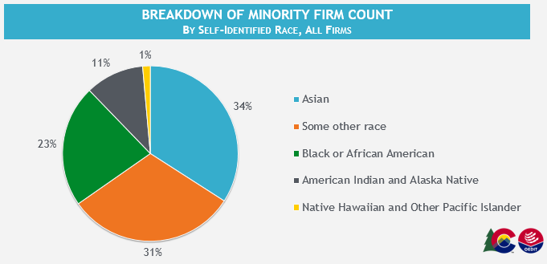

 |  |  |  |  |  |  |  |  |  |  | Source? |  |  |  | SBA Colorado Loan Approvals
 |  |  |  |  |  |  |  |  | Owned | Historic Share of Bank and Credit Union Loans | SBA 7a % of # of Loans | % of Employee Businesses in CO | % of Employee Businesses in CO | SBA 7a % of # of Loans | SBA 7a % of # of Loans
 |  |  |  |  |  |  |  |  | Women |  | 35.3% | 3.7% | 39.0% | 35% | 35.3%
 |  |  |  |  |  |  |  |  | Veteran |  |  | 9.0% | 9.0%
 | Historic Share of Bank and Credit Union Loans | SBA 7a % of # of Loans | % of Employee Businesses in CO
 |  | 35.3% | 3.7%
 |  |  | 9.0%
 | 12.4% | 8.9%
 |  |  | 15.0%
 |  |  |  |  |  |  |  |  | Minority | 12.4% | 8.9% |  | 18.0% | -9% | 21.3%
 |  |  |  |  |  |  |  |  | Rural |  |  | 15.0% | 15.0%
 |  |  |  |  |  |  |  |  |  |  |  |  |  |  | 3yr Avg ('17' 18' 19)
 |  |  |  |  |  |  |  |  |  |  |  |  |  |  | CDO Minority and Women Loans FY17-19_SBA Sourced

 |  |  |  |  |  |  |  |  | 2020-sbcs-employer-firms-report (page 9) (14 of 37)

*Census Annual Community Survey, 2018, 5-Yr Estimates as summarized in "Mapping Minority Businesses in Colorado", Page 6 - % of all states classifiable businesses
Rural County < 50,000 people

(d) ESTABLISHING AND PUBLISHING TARGETS FOR THE PERCENTAGE
OF LOANS SUPPORTED BY A LOAN PROGRAM THAT ARE MADE TO BUSINESSES
OWNED BY WOMEN, MINORITIES, AND VETERANS AND TO BUSINESSES
LOCATED IN RURAL COUNTIES. IN ESTABLISHING THE TARGETS REQUIRED BY
THIS SUBSECTION (8)(d), THE OVERSIGHT BOARD SHALL CONSULT WITH THE
MINORITY BUSINESS OFFICE WITHIN THE OFFICE OF THE GOVERNOR AND THE
DIVISION OF BUSINESS FUNDING AND INCENTIVES WITHIN THE OFFICE OF
ECONOMIC DEVELOPMENT;

(e) REGULARLY REVIEWING PROGRESS IN ACHIEVING THE TARGETS
ESTABLISHED PURSUANT TO SUBSECTION (8)(d) OF THIS SECTION AND
MAKING ADJUSTMENTS TO A LOAN PROGRAM TO HELP ACHIEVE THE TARGETS
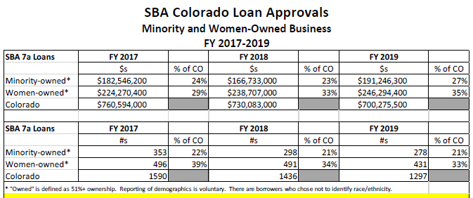
IF NEEDED; AND

(f) PROVIDING SUCH ADDITIONAL OVERSIGHT AND CREATING
POLICIES AND PROCEDURES AS MAY BE NECESSARY TO ENSURE THAT THE
PROGRAM COMPLIES WITH THE REQUIREMENTS OF THIS PART 2 AND FULFILLS
ITS PURPOSE OF SUPPORTING THE STATE'S RECOVERY FROM THE COVID-19
PANDEMIC BY ASSISTING COLORADO SMALL BUSINESSES IN RECOVERING
FROM THE CRISIS CAUSED BY COVID-19.

